Charts
Count of Recommendations - Black = HLP Universal Goal, Red = Not related to an HLP Universal Goal

Achieve Universal Access to Water and sanitation | 29
Create a Global Enabling Environment and Catalyse Long-Term Finance | 49
Creating Jobs, Sustainable Livelihoods and Equitable Growth | 71
Empower Girls and Women and Achieve Gender Equality | 48
End Poverty | 20
Ensure Food Security and Good Nutrition | 23
Ensure Good Governance and Effective Institutions | 136
Ensure Healthy Lifestyles | 93
Ensure Stable and Peaceful Societies | 38
Human Rights | 11
Inequality, Universal Access and Equal Opportunity (Other than Gender) | 58
Labour/Capital Relations | 13
Manage Natural Resource Assets Sustainably | 42
Migration and Mobility | 2
Other | 15
Provide Quality Education and Lifelong Learning | 130
Secure Sustainable Energy | 15
Urban Planning and Housing | 10
(blank) | 1

 | Totals | % of total
Related to an HLP Goal | 694 | 86%
Not related to an HLP Universal Goal | 110 | 14%
Total | 804

Under what categories do the recommendations fall?
 | Values
Row Labels | Primary theme of a recommendation | Secondary theme of a recommendation | Tertiray theme of a recommendation | Total
Achieve Universal Access to Water and sanitation | 29 | 10 | 1 | 40
Create a Global Enabling Environment and Catalyse Long-Term Finance | 49 | 6 | 1 | 56
Creating Jobs, Sustainable Livelihoods and Equitable Growth | 71 | 23 | 2 | 96
Empower Girls and Women and Achieve Gender Equality | 48 | 13 | 3 | 64
End Poverty | 20 | 3 |  | 23
Ensure Food Security and Good Nutrition | 23 | 2 |  | 25
Ensure Good Governance and Effective Institutions | 136 | 21 | 3 | 160
Ensure Healthy Lifestyles | 93 | 11 |  | 104
Ensure Stable and Peaceful Societies | 38 | 2 | 1 | 41
Manage Natural Resource Assets Sustainably | 42 | 12 | 1 | 55
Provide Quality Education and Lifelong Learning | 130 | 31 | 4 | 165
Secure Sustainable Energy | 15 | 1 | 1 | 17
Human Rights | 11 |  |  | 11
Inequality, Universal Access and Equal Opportunity (Other than Gender) | 58 | 7 |  | 65
Labour/Capital Relations | 13 | 4 |  | 17
Urban Planning and Housing | 10 | 1 |  | 11
Other | 15 |  |  | 15

 | 786 | 147 | 17

What Universal Goals did the recommendations relate to?
 | Primary theme of a recommendation | Secondary theme of a recommendation | Tertiray theme of a recommendation
Achieve Universal Access to Water and sanitation | 29 | 10 | 1
Create a Global Enabling Environment and Catalyse Long-Term Finance | 49 | 6 | 1
Creating Jobs, Sustainable Livelihoods and Equitable Growth | 71 | 23 | 2
Empower Girls and Women and Achieve Gender Equality | 48 | 13 | 3
End Poverty | 20 | 3
Ensure Food Security and Good Nutrition | 23 | 2
Ensure Good Governance and Effective Institutions | 136 | 21 | 3
Ensure Healthy Lifestyles | 93 | 11
Ensure Stable and Peaceful Societies | 38 | 2 | 1
Manage Natural Resource Assets Sustainably | 42 | 12 | 1
Provide Quality Education and Lifelong Learning | 130 | 31 | 4
Secure Sustainable Energy | 15 | 1 | 1
Human Rights | 11
Inequality, Universal Access and Equal Opportunity (Other than Gender) | 58 | 7
Labour/Capital Relations | 13 | 4
Urban Planning and Housing | 10 | 1
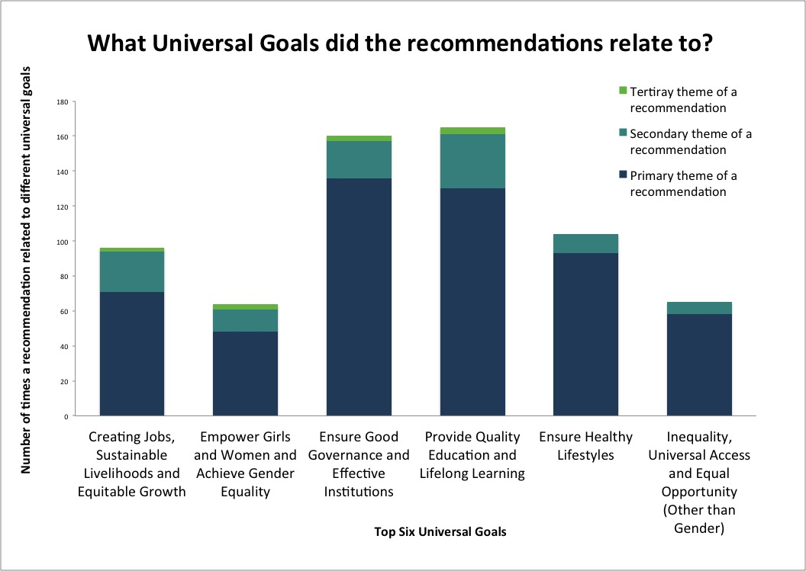

Lets take a closer look at some of the main themes

What were people calling for in relation to 'Good Governance and Effective Institutions'?
Ensure Good Governance and Effective Institutions (based on a countif function of the top 6 themes listed when Good Governance was listed as a primary, secondary or tertiray theme of a recommendation)
Governance - freedom of speech, association, independent media | 3
Governance - participation in political processes and civic engagement | 79
Governance - Right to information and access to data | 16
Governance - Bribery, corruption and accountability | 23
Governance - Involvement of marginal groups in political processes | 64
Governance - Quality governance and basic services | 8

What were people calling for in relation to 'High Quality Education'?
Provide High Quality Education (based on a countif function of the top 7 themes listed whenHigh Quality Educaiton was listed as a primary, secondary or tertiray theme of a recommendation)
Education - Access to pre-primary education | 2
Education - Primary education, basic literacy and numeracy | 4
Education - Lower secondary education, achieving recognised learning outcomes | 5
Education - Skills, including technical and vocational needed for work | 22
Education - Non-Formal Education, citizenship, peer education and global youth work | 38
Education - Quality and teacher development | 10
Jobs, Livelihoods and Growth - Training, development, internships, opportunities | 10

Jobs, Livelihoods and Growth - Start-ups and entrepreneurship | 1
Governance - Legal identity e.g. birth registration | 1
Governance - freedom of speech, association, independent media | 3
Governance - participation in political processes and civic engagement | 76
Governance - Right to information and access to data | 16
Governance - Bribery, corruption and accountability | 20
Peace - Reduce violent deaths | 1
Peace - Accessible, independent and well resourced justice institutions | 1
Peace - Professionalism of security forces, police and judiciary | 1
Globalisation and Finance - Development assistance from developed countries | 1
Globalisation and Finance - Reduce illicit flows and tax evasion, increase stolen-asset recovery | 1
Multiple | 5
Governance - Involvement of marginal groups in political processes | 63
Governance - Quality governance and basic services | 7

Total | 197
% Of recommendations that called for involvement of marginal groups in political processes when Good Governance was recorded as a primary theme | 32%

Row Labels | Total
Education - Access to pre-primary education | 2 | 120
Education - Lower secondary education, achieving recognised learning outcomes | 5 | 804
Education - Non-Formal Education, citizenship, peer education and global youth work | 39 | 15%
Education - Primary education, basic literacy and numeracy | 4
Education - Quality and teacher development | 10
Education - Skills, including technical and vocational needed for work | 21
Food and Nutrition - End hunger, access to safe, affordable and nutritious food | 8
Food and Nutrition - Increase agricultural productivity | 4
Food and Nutrition - Reduce Stunting and amenia amongst under 5's | 1
Food and Nutrition - Sustainable agriculture, ocean and freshwater fishery practice | 4
Gender Equality - Discrimination in political, economic and public life | 17
Gender Equality - End child marriage | 5
Gender Equality - Equal legal rights (property, contracts, business, finance) | 4
Gender Equality - Prevent violence against girls and women | 10
Globalisation and Finance - Collaboration on and access to science technology, innovation and data | 21
Globalisation and Finance - Development assistance from developed countries | 3
Globalisation and Finance - Fair trading systems, trade distortion (e.g. subsidies), market access | 3
Globalisation and Finance - Hold global increases in average temp below 2º | 10
Globalisation and Finance - Reduce illicit flows and tax evasion, increase stolen-asset recovery | 2
Globalisation and Finance - Stability in financial system | 2
Governance - Bribery, corruption and accountability | 20
Governance - freedom of speech, association, independent media | 3
Governance - Legal identity e.g. birth registration | 2
Governance - participation in political processes and civic engagement | 84
Governance - Quality governance and basic services | 6
Governance - Right to information and access to data | 17
Health - Drugs and Substance Abuse | 5
Health - End preventable deaths for under 5's | 4
Health - HIV/AIDS | 5
Health - Maternal mortality | 2
Health - Universal Access | 29
Health - Universal sexual and reproductive health and rights | 27
Health - Vaccinations | 2
Jobs, Livelihoods and Growth - access to finance and infrastructure (e.g. ICT, transport) | 17
Jobs, Livelihoods and Growth - Decrease NEETs | 2
Jobs, Livelihoods and Growth - Green Jobs | 3
Jobs, Livelihoods and Growth - Increase no, of jobs and livelihoods | 21
Jobs, Livelihoods and Growth - Start-ups and entrepreneurship | 17
Jobs, Livelihoods and Growth - Training, development, internships, opportunities | 14
Multiple | 55
Other - Family life | 2
Other - Human Values | 3
Other - Migration and mobility | 3
Other - Militarism | 1
Other - Transport | 1
Peace - Accessible, independent and well resourced justice institutions | 5
Peace - Professionalism of security forces, police and judiciary | 3
Peace - Reduce violent deaths | 3
Peace - Stem stressors of violence and crime | 15
Poverty - Natural disasters | 5
Poverty - No. of people in absolute poverty/below national poverty line | 5
Poverty - Social protection systems | 11
Resources and Sustainability - Safeguard ecosystems, species and diversity | 9
Resources and Sustainability - Sustainable procurement | 1
Resources and Sustainability - Transparency of government and major companies | 4
Social Equality - Discrimination against minority groups | 30
Social Equality - Inequality | 23
Social Equlity - Involvement and Representation of marginal groups in political processes | 1
Sustainable Energy - Access to energy | 2
Sustainable Energy - Energy efficiency in buildings, industry, agriculture and transport | 4
Sustainable Energy - Phase out inefficient fossil fuel subsidies | 1
Sustainable Energy - Renewable energy | 8
Unclassified | 3
Water and Sanitation - End open defecation, access to sanitation at school, work and home | 15
Water and Sanitation - Safe drinking water | 15
Water and Sanitation - Water efficiency and sustainability in agriculture | 2
(blank) | 119
Grand Total | 804

